6 Nations Rugby - Activity 5
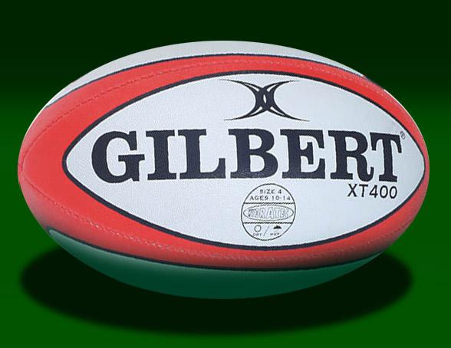

Wales - 6 Nations Rugby Results 2015 - 2018

2015 |  | Points Scored | Points Against | Points Difference | Tries Scored | Points | 2016 |  | Points Scored | Points Against | Points Difference | Tries Scored | Points
 | Wales v England | 16 | 21 | -5 | 1 | 0 |  | Ireland v Wales | 16 | 16 | 0 | 1 | 1
 | Scotland v Wales | 26 | 23 | 3 | 2 | 2 |  | Wales v Scotland | 27 | 23 | 4 | 3 | 2
 | France v Wales | 20 | 13 | 7 | 1 | 2 |  | Wales v France | 19 | 10 | 9 | 1 | 2
 | Wales v Ireland | 23 | 16 | 7 | 1 | 2 |  | England v Wales | 21 | 25 | -4 | 1 | 0
 | Italy v Wales | 61 | 20 | 41 | 8 | 2 |  | Wales v Italy | 67 | 14 | 53 | 9 | 2
 | Total | 146 | 93 | 53 | 13 | 8 |  | Total | 150

 | Average Number of Points Scored Per Game | 29 |  |  |  |  |  | Average Number of Points Scored Per Game | 30
 | Average Number of Points Scored Against Per Game | 19 |  |  |  |  |  | Average Number of Points Scored Against Per Game
 | Average Number of Tries Scored Per Game | 3 |  |  |  |  |  | Average Number of Tries Scored Per Game
 | Highest Score For | 61 |  |  |  |  |  | Highest Score For
 | Highest Score Against | 23 |  |  |  |  |  | Highest Score Against
 | Finishing Position | 3 |  |  |  |  |  | Finishing Position | 2

2017 |  | Points Scored | Points Against | Points Difference | Tries Scored | Points | 2018 |  | Points Scored | Points Against | Points Difference | Tries Scored | Points
 | Italy v Wales | 33 | 7 | 26 | 3 | 4 |  | Wales v Scotland | 34 | 7 |  | 4 | 5
 | Wales v England | 16 | 21 | -5 | 1 | 1 |  | England v Wales
 | Scotland v Wales | 13 | 29 | -16 | 1 | 0 |  | Ireland v Wales
 | Wales v Ireland | 22 | 9 | 13 | 3 | 4 |  | Wales v Italy
 | France v Wales | 18 | 20 | -2 | 0 | 1 |  | Wales v France
 | Total |  |  |  |  |  |  | Total

 | Average Number of Points Scored Per Game |  |  |  |  |  |  | Average Number of Points Scored Per Game
 | Average Number of Points Scored Against Per Game |  |  |  |  |  |  | Average Number of Points Scored Against Per Game
 | Average Number of Tries Scored Per Game |  |  |  |  |  |  | Average Number of Tries Scored Per Game
 | Highest Score For |  |  |  |  |  |  | Highest Score For
 | Highest Score Against |  |  |  |  |  |  | Highest Score Against
 | Finishing Position |  |  |  |  |  |  | Finishing Position | 5

